Onboarding Overview
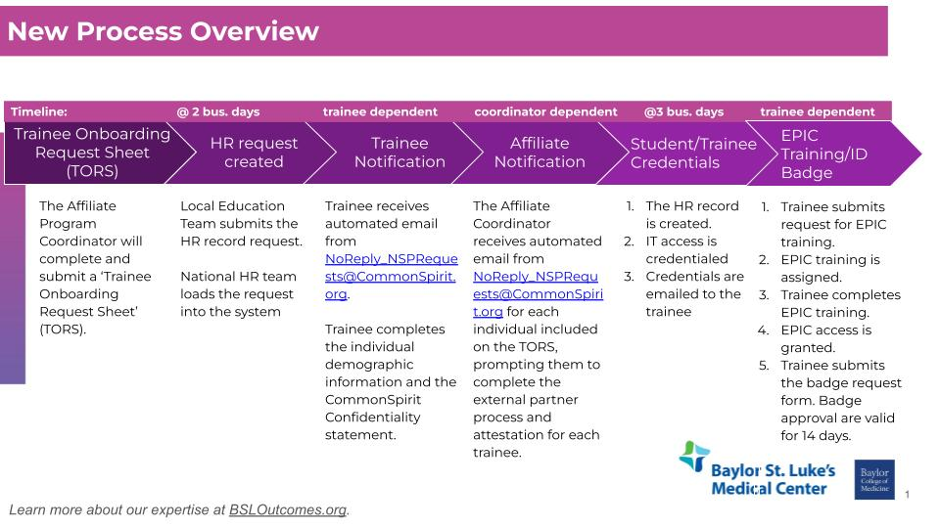
The below process only applies to 'New/Inactive' trainees. For 'Active/Returning' trainees, their records will be extended. The trainees will continue to use the same credentials. You can view the extended end date on the Status Report.

